Ports
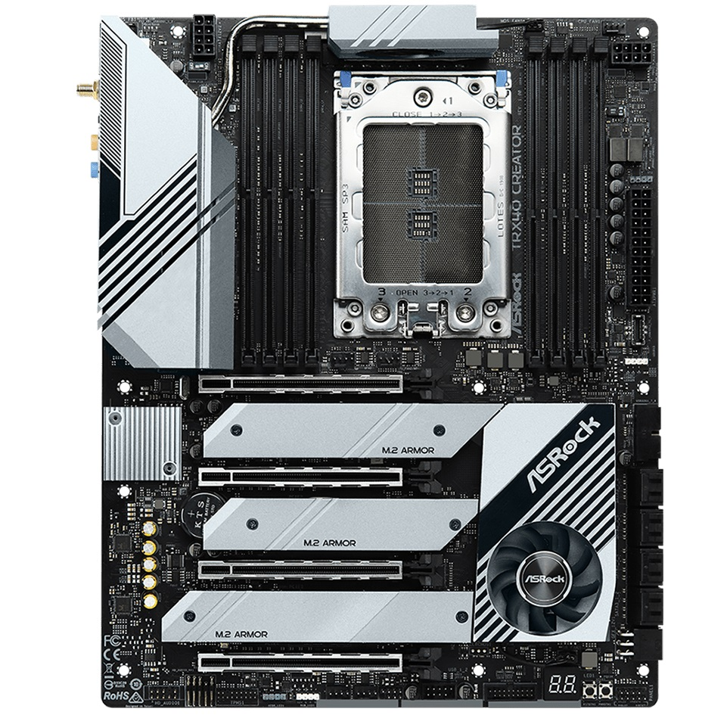
Port 11
Port 13
Port 22
Port 23
Port 17
Port 16
Port 15
Port 14
Port 15b
Port 15a
Port 10b
Port 10a
Port 9b
Port 9a
Port 8
Port 2-5
Port 7
Port 6
Port ID | Port # | Description | USB | PCIE
1 - 1 | 10a | USB 3.2 Gen 1 | USB 1.x
1 - 2 | 10b | USB 3.2 Gen 1 | USB 1.x
1 - 3
1 - 4
1 - 5
1 - 6
2 - 1 | 10a | USB 3.2 Gen 1 | USB 3.0
2 - 2 | 10b | USB 3.2 Gen 1 | USB 3.0
2 - 3
2 - 4
2 - 5
2 - 6
3 - 1 | 15a | USB 3.2 Gen 1 | USB 1.x
3 - 2 | 15b | USB 3.2 Gen 1 | USB 1.x
3 - 3
3 - 4
3 - 5
3 - 6
4 - 1 | 15a | USB 3.2 Gen 1 | USB 3.0
4 - 2 | 15b | USB 3.2 Gen 1 | USB 3.0
4 - 3
4 - 4
4 - 5
4 - 6
5 - 1 | 8 | USB 3.2 Gen 2x2 | USB 1.x
5 - 2
5 - 3
5 - 4
5 - 5
5 - 6
6 - 1 | 8 | USB 3.2 Gen 2x2 | USB 3.0 | 43:00.0
6 - 2
6 - 3
6 - 4
6 - 5
6 - 6
7 - 1 | 9a | USB 3.2 Gen 2 | USB 1.x | 47:00.1
7 - 2 | 9b | USB 3.2 Gen 2 | USB 1.x | 47:00.1
7 - 3
7 - 4
7 - 5 | int | ASRock LED Controller | USB 1.x | 47:00.1
7 - 6
8 - 1
8 - 2
8 - 3 | 9a | USB 3.2 Gen 2 | USB 3.0 | 47:00.1
8 - 4 | 9b | USB 3.2 Gen 2 | USB 3.0 | 47:00.1
8 - 5
8 - 6
9 - 1
9 - 2
9 - 3 | 22 | USB 3.2 Gen 1 (front R) | USB 1.x | 47:00.3
9 - 4 | 22 | USB 3.2 Gen 1 (front L) | USB 1.x | 47:00.3
9 - 5 | 2-5 | USB Audio Realtek | USB 2.0 | 47:00.3
9 - 6 | 11 | USB 3.2 Gen 2 (front) | USB 1.x | 47:00.3
10 - 1
10 - 2 | 11 | USB 3.2 Gen 2 (front) | USB 3.0 | 47:00.3
10 - 3 | 22 | USB 3.2 Gen 1 (front R) | USB 3.0 | 47:00.3
10 - 4 | 22 | USB 3.2 Gen 1 (front L) | USB 3.0 | 47:00.3
10 - 5
10 - 6

 | 8 | USB 3.2 Gen 2x2 | USB-C
 | 13 | USB 3.2 Gen 1 | nc
 | 14 | SATA 7-8 | SATA3 | 48:00.0
 | 15 | SATA 5-6 | SATA3 | 48:00.0
 | 16 | SATA 3-4 | SATA3 | 49:00.0
 | 17 | SATA 1-2 | SATA3 | 49:00.0
 | 23 | USB 2.0 | nc

 |  | Bluetooth |  | 47:00.1

